OrbitXferFixed
Earth Orbit Program

Transfer, Plane Change, Stage Sizing
Orbit Transfer |  |  |  |  | Constants | Earth | Mu | 398,600 | km3/s2 |  | J2 | 0.0010826 | Co-Apsidal Hohmann |  |  |  |  | Circular to Circular Orbit
Input is: | 1 |  |  |  |  |  | Re_m | 6378 | km |  | Deg / Rad | 57.29578 |  |  |  | Radii |  | Non-Hohmann 2nd Burn, Given Burn1 (Perigee) ΔVelocity
 |  |  |  |  |  |  | g_o | 9.81 | m/s2 |  |  |  | Initial Orbit Perigee Velocity | 7.662 | km/s | 6,789.00 | km | Initial Orbit Perigee Velocity | 7.662 | km/s | Orbit 1 Circular?
 | Radius | Altitude |  |  |  |  |  |  |  |  |  |  | Initial Orbit Apogee Velocity | 7.662 | km/s | 6,789.00 | km | Initial Orbit Apogee Velocity | 7.662 | km/s | Yes | 6789.0
Orb1p | 6789.0 | 6789 | km | SMA1 | 6789 | km | Ener1 | -29.3563 | km2/s2 | Vel_Orb1p_x | 7.6624 | km/s | Initial Orbit Energy | -29.356 | km2/s2 |  |  | Initial Orbit Energy | -29.356 | km2/s2
Orb1a | 6789.0 | 6789 | km | Ecc1 | 0.00000 |  | Per1 | 5567.0 | s | Vel_Orb1a | 7.6624 | km/s | Initial Orbit Angular Momentum | 52020 | km2/s |  |  | Initial Orbit Angular Momentum | 52020 | km2/s
Incl1 | 47.00 |  | ° | hOrb1 | 52020 | km2/s |  |  |  |  |  |  | Initial Orbit Period | 92.78 | min |  |  | Initial Orbit Period | 92.78 | min
 |  |  |  |  |  |  |  |  |  |  |  |  | Final Orbit Perigee Velocity | 3.396 | km/s | 34,567.00 | km | Final Orbit Perigee Velocity | 3.396 | km/s | Orbit 2 Circular?
Orb2p | 34567 | 34567 | km | SMA2 | 34567 | km | Ener2 | -5.7656 | km2/s2 | Vel_Orb2p_x | 3.3958 | km/s | Final Orbit Apogee Velocity | 3.396 | km/s | 34,567.00 | km | Final Orbit Apogee Velocity | 3.396 | km/s | Yes | 34567
Orb2a | 34567 | 34567 | km | Ecc2 | 0.00000 |  | Per2 | 63959.3 | s | Vel_Orb2a | 3.3958 | km/s | Final Orbit Energy | -5.766 | km2/s2 |  |  | Final Orbit Energy | -5.766 | km2/s2
Incl2 | 13.00 |  | ° | hOrb2 | 117381 | km2/s |  |  |  |  |  |  | Final Orbit Angular Momentum | 117381 | km2/s |  |  | Final Orbit Angular Momentum | 117381 | km2/s
 |  |  |  |  |  |  |  |  |  |  |  |  | Final Orbit Period | 1065.99 | min |  |  | Final Orbit Period | 1065.99 | min | Burn 1 Delta V
 |  | TRANSFER ORBIT |  | SMAT | 20678 | km | EnerT | -9.6383 | km2/s2 | Vel_Orb1p_x | 9.9070 | km/s | Transfer Orbit Perigee Velocity | 9.907 | km/s | 6,789.00 | km | Transfer Orbit Perigee Velocity | 9.732 | km/s | 2.06988 | km/s
 |  |  |  | hOrbT | 67259 | km2/s | PerT | 29592.0 | s | Vel_Orb2a | 1.9457 | km/s | Transfer Orbit Apogee Velocity | 1.946 | km/s | 34,567.00 | km | Transfer Orbit Energy | -11.354 | km2/s2
 |  |  |  | EccT | 0.6716800 |  |  |  |  |  |  |  | Transfer Orbit Energy | -9.638 | km2/s2 |  |  | Transfer Orbit Angular Momentum | 66073 | km2/s
 |  |  |  |  |  |  | ΔIncl1 | 2.95 | ° | 0.39402561018 |  | km/s | Transfer Orbit Angular Momentum | 67259 | km2/s |  |  | Transfer Orbit Semi-Major Axis | 17554 | km | Xfer Apogee > Orbit 2?
 |  |  |  |  |  |  | ΔIncl2 | 31.05 | ° | 1.8180046433 |  | km/s | Transfer Orbit Time of Flight | 246.60 | min | 4.11 | hrs | Transfer Orbit Apogee Radius | 28318 | km | No
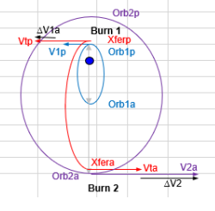
 |  |  |  |  |  |  |  |  |  |  |  |  | Min Delta V Burn 1 SMA Only | 2.2446 | km/s |  |  | Transfer Orbit Eccentricity | 0.6132 | Ellipse
Orbit Equation Evaluation for Orbit 1 |  |  |  |  |  |  |  | Input |  |  |  |  | Min Delta V Burn 1 with ∆incl1 | 2.2889 | km/s | 2.95 | ΔIncl1 | True Anomaly of Burn 2 | #NUM! | deg
Radius (km) |  | 9000 | km |  |  |  |  |  |  |  |  |  | Min Delta V Burn 2 SMA Only | 1.4500 | km/s |  |  | Eccentric Anomaly | #NUM! | rad
True Anomaly (°) |  | #DIV/0! | deg | 360-TA = other TA |  | #DIV/0! |  |  |  |  |  |  | Min Delta V Burn 2 with ∆incl2 | 1.9991 | km/s | 31.05 | ΔIncl2 | Transfer Orbit Time of Flight | #NUM! | min | #NUM! | hrs
Velocity (km/s) |  | 5.4649 | km/s |  |  |  |  |  |  |  |  |  | Total Delta V SMA Only | 3.6946 | km/s |  |  | Given Delta V Burn 1 SMA only | 2.070 | km/s
True Anomaly (°) |  | 235 | deg |  |  |  |  |  |  |  |  |  | Total Delta V with Inclination Changes | 4.2880 | km/s |  |  | Delta V Burn 1 with ΔIncl1 | 2.1170 | km/s | 2.95 | ΔIncl1
Radius (km) |  | 6789.00 | km |  |  |  |  |  |  |  |  |  | Nodal Regression for Initial Orbit | -5.4613 | deg/day |  |  | Transfer Orbit Velocity at Burn 2 | 0.5957 | km/s
Velocity (km/s) |  | 7.6624 | km/s |  |  |  |  |  |  |  |  |  | Nodal Regression for Final Orbit | -0.0262 | deg/day |  |  | Flight Path Angle at Burn 2 | #NUM! | deg
 |  |  |  |  |  |  |  |  |  |  |  |  | Apsidal Rotation for Initial Orbit | 5.308 | deg/day |  |  | Delta V Burn 2 SMA only | #NUM! | km/s
Time of Flight Evaluation for Orbit 1 |  |  |  |  |  |  |  |  |  |  |  |  | Apsidal Rotation for Final Orbit | 0.050 | deg/day |  |  | Delta V Burn 2 with ΔIncl2 | #NUM! | km/s | 31.05 | ΔIncl2
True Anomaly (°) |  | 213 | deg |  |  |  |  |  |  |  |  |  |  |  |  |  |  | Total Delta V SMA only | #NUM! | km/s
Eccentricity Anomaly |  | 3.7176 |  |  |  |  |  |  |  |  |  |  |  |  |  |  |  | Total Delta V with Inclination Changes | #NUM! | km/s
TOF (min) |  | 54.8966 | min |  |  |  |  |  |  |  |  |  |  |  |  |  |  | Nodal Regression for Initial Orbit | -5.4613 | deg/day
 |  |  |  |  |  |  |  |  |  |  |  |  |  |  |  |  |  | Nodal Regression for Final Orbit | -0.0262 | deg/day
Performance Assessor |  |  |  |  |  |  |  |  |  |  |  |  |  |  |  |  |  | Apsidal Rotation for Initial Orbit | 5.308 | deg/day
 |  |  |  |  |  |  |  |  |  |  |  |  | Nodal Regression |  |  | Apsidal Rotation |  | Apsidal Rotation for Final Orbit | 0.050 | deg/day
Some Important Equations |  |  | Input Values |  |  | 3 Inputs Used |  | Output Values

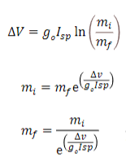
 |  |  | Isp | 333 | s | Isp, mi, mf |  | ∆V |  | 4317.82 |  | m/s | General Burn (Applied To Orbit 1)
 |  |  |  |  |  |  |  |  |  |  |  |  | Given: Radius Orb 1 Perigee | 6789.0 |  | km
 |  |  |  |  |  |  |  |  |  |  |  |  | Given: Radius Orb 1 Apogee | 6789.0 |  | km
 |  |  |  |  |  | Isp, ∆V, mf |  | Initial Mass |  | 4005.25 |  | kg |  |  |  |  |  | Input
 |  |  | mi | 15000 | kg |  |  |  |  |  |  |  | Delta V | 0.3024 |  | km/s
 |  |  |  |  |  |  |  |  |  |  |  |  | True Anomaly | 105.99 |  | deg
 |  |  |  |  |  | Isp, ∆V, mi |  | Final Mass |  | 14980.32 |  | kg | Angle to Local Horizontal | 10.52 |  | deg
 |  |  |  |  |  |  |  |  |  |  |  |  | Orbit 1 Data
 |  |  | mf | 4000 | kg
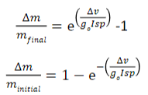
 |  |  |  |  |  | Isp, ∆V, mf |  | Propellant Used |  | 5.25 |  | kg | Eccentricity | 0.00000000
 |  |  |  |  |  |  |  |  |  |  |  |  | Semi-Major Axis | 6789.00 |  | km
 |  |  |  |  |  |  |  |  |  |  |  |  | Angular Momentum | 52020.1 |  | km2/s
 |  |  | ∆V | 4.288 | m/s | Isp, ∆V, mi |  | Propellant Used |  | 19.68 |  | kg | Radius Orb1 = Radius Orb2 | 6789.00 |  | km
 |  |  |  |  |  |  |  |  |  |  |  |  | Energy | -29.3563 |  | km2/s2
 |  |  |  |  |  |  |  |  |  |  |  |  | Orb Velocity at Impulse Point | 7.6624 |  | km/s
 |  |  |  |  |  |  |  |  |  |  |  |  | Flight Path Angle | 0.000 |  | deg
 |  |  |  |  |  |  |  |  |  |  |  |  | Perpendicular Velocity | 7.6624 |  | km/s
 |  |  |  |  |  |  |  |  |  |  |  |  | Radial Velocity | 0.0000 |  | km/s
 |  |  |  |  |  |  |  |  |  |  |  |  | Perpendicular Impulse Velocity | 0.2973 |  | km/s
 |  |  |  |  |  |  |  |  |  |  |  |  | Radial Impulse Velocity | 0.0552 |  | km/s
 |  |  |  |  |  |  |  |  |  |  |  |  | Resulting Orbit 2 Data

 |  |  |  |  |  |  |  |  |  |  |  |  | Velocity at Impulse Point | 7.9599 |  | km/s
 |  |  |  |  |  |  |  |  |  |  |  |  | Angular Momentum | 54038.6 |  | km2/s
 |  |  |  |  |  |  |  |  |  |  |  |  | Energy | -27.0324 |  | km2/s2
 |  |  |  |  |  |  |  |  |  |  |  |  | Semi-Major Axis | 7372.63 |  | km
 |  |  |  |  |  |  |  |  |  |  |  |  | Eccentricity | 0.0795
 |  |  |  |  |  |  |  |  |  |  |  |  | Radius of Perigee | 6786.78 |  | km
 |  |  |  |  |  |  |  |  |  |  |  |  | Radius of Apogee | 7958.48 |  | km
 |  |  |  |  |  |  |  |  |  |  |  |  | True Anomaly at Impulse Point | 5.405 |  | deg
 |  |  |  |  |  |  |  |  |  |  |  |  | Rotation of Line of Apsides | 100.585 |  | deg
 |  |  |  |  |  |  |  |  |  |  |  |  | Period | 6300 |  | s

Azimuth
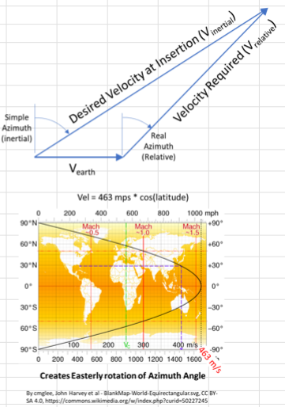
Launch Azimuth Calculation

Simple Launch Azimuth |  |  | Input
Launch Site Latitude | 33 | °
Orbit Inclination | 72 | °
Inertial Azimuth | 21.621 | °

Real Launch Azimuth
Orbit Radius | 6578 | km
Injection Inertial Velocity | 7.7843 | km/s
Earth Velocity | 0.3883 | km/s
Vx Relative | 2.4799 | km/s
Vy Relative | 7.2367 | km/s
Relative Velocity | 7.6498 | km/s
Relative Azimuth | 18.916 | °
Delta Azimuth (Inertial-Relative) | 2.705 | °
Delta V Savings | 134.55 | m/s

VacuumIIP
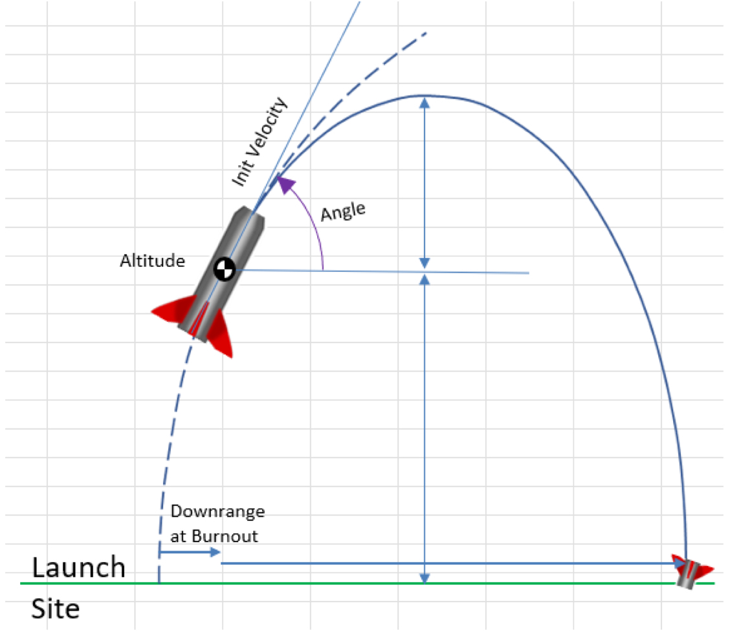
Initial Conditions | Units | Case 1 | Case 2 | Case 3 | Case 4 | Case 5

Altitude | km | 110 | 50 | 80 | 110 | 180
Velocity | m/s | 3070 | 2200 | 2600 | 5000 | 8500
Angle | deg | 14.650363988 | 45 | 30 | 22 | 10
Downrange at Burnout | km | 135.7 | 60 | 120 | 300 | 600
Results

Horizontal Velocity | m/s | 2970.19 | 1555.63 | 2251.67 | 4635.92 | 8370.87
Vertical Velocity | m/s | 776.46 | 1555.63 | 1300.00 | 1873.03 | 1476.01
Max Increase in Height | km | 30.73 | 123.34 | 86.14 | 178.81 | 111.04
Time to Max Height | s | 79.15 | 158.58 | 132.52 | 190.93 | 150.46
Distance to Ground | km | 140.73 | 173.34 | 166.14 | 288.81 | 291.04
Time to Ground | s | 169.38 | 187.99 | 184.04 | 242.65 | 243.59
Total Time B/O to Impact | s | 248.53 | 346.57 | 316.56 | 433.58 | 394.05
Horizontal Distance | km | 738.19 | 539.13 | 712.78 | 2010.06 | 3298.52
Total Down Range (LS to Impact) | km | 873.89 | 599.13 | 832.78 | 2310.06 | 3898.52
Vacuum Impact Velocity | m/s | 1661.7 | 1844 | 1805 | 2380 | 2390

With Earth Curve Correction
Height Error | km | 15.0 | 7.0 | 13.6 | 105.5 | 305.2
Distance to Ground | s | 155.7 | 180.4 | 179.7 | 394.3 | 596.2
Time to Ground | s | 178.17 | 191.77 | 191.43 | 283.52 | 348.64
Total Time B/O to Impact | s | 257.32 | 350.35 | 323.95 | 474.45 | 499.10
Horizontal Distance | km | 764.30 | 545.01 | 729.42 | 2199.49 | 4177.92
Total Down Rangle (LS to Impact) | km | 900.00 | 605.01 | 849.42 | 2499.49 | 4777.92
Vacuum Impact Velocity | m/s | 1748 | 1881 | 1878 | 2781 | 3420

Delta Descent Time | s | 9 | 4 | 7 | 41 | 105
Delta Down Range | km | 26 | 6 | 17 | 189 | 879
Percent Down Range Change | % | 3% | 1% | 2% | 8% | 23%

 |  |  |  | Input

RocketDesign
Rocket Evaluator: 2 Stage
 | Different MF |  | Identical Stages |  | GTO |  | GEO |  | Input
Total Videal | 10000 | m/s | 10000 | m/s | 11543 | m/s | 12000 | m/s
Total Delta V | 10000 | m/s | 10000 | m/s | 11543 | m/s | 12000 | m/s
Payload | 1000 | kg | 1000 | kg | 2000 | kg | 5000 | kg
Stage 2
MF | 0.86 |  | 0.88 |  | 0.9 |  | 0.92
Isp | 230 | s | 230 | s | 290 | s | 290 | s
Delta V | 5000 | m/s | 7500 | m/s | 8068 | m/s | 6383 | m/s
Mass Ratio | 9.1707 |  | 27.7719 |  | 17.0466 |  | 9.4278
Total Mass | -28780.039678 | kg | -11477.134776 | kg | -45544.154742 | kg | 171453.82197 | kg
Propellant Mass | -24750.834123 | kg | -10099.878603 | kg | -40989.739268 | kg | 157737.51621 | kg
Dry Mass | -4029.2055549 | kg | -1377.2561731 | kg | -4554.4154742 | kg | 13716.305757 | kg
Stage 1
MF | 0.88 |  | 0.9 |  | 0.91 |  | 0.9
Isp | 290 | s | 290 | s | 310 | s | 455 | s
Delta V | 5000 | m/s | 2500 | m/s | 3475 | m/s | 5617 | m/s
Mass Ratio | 5.7981 |  | 2.4079 |  | 3.1352 |  | 3.5198
Total Mass | -438131.12018 | kg | -19429.502277 | kg | -129519.16168 | kg | 686148.60094 | kg
Propellant Mass | -385555.38576 | kg | -17486.552049 | kg | -117862.43713 | kg | 617533.74085 | kg
Dry Mass | -52575.734422 | kg | -1942.9502277 | kg | -11656.724551 | kg | 68614.860094 | kg
Total Liftoff Mass | -465911.15986 | kg | -29906.637052 | kg | -173063.31642 | kg | 862602.42291 | kg

Rocket Evaluator: 3 Stage
 | Different MF |  | Identical Stages |  | GTO |  | GEO |  | Input
Total Videal | 12800.00 | m/s | 15000.00 | m/s | 13000.00 | m/s | 14250.00 | m/s
Total Delta V | 12800.01 | m/s | 15000.00 | m/s | 13000.00 | m/s | 14250.01 | m/s
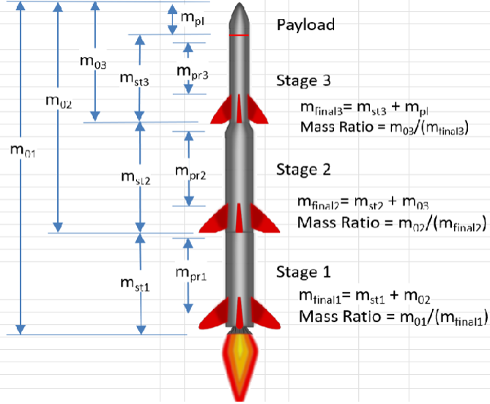
Payload | 2000.00 | kg | 5000.00 | kg | 5000.00 | kg | 5000.00 | kg
Stage 3
MF | 0.89 |  | 0.90 |  | 0.88 |  | 0.88
Isp | 435.00 | s | 455.00 | s | 350.00 | s | 350.00 | s
Delta V | 3350.84 | m/s | 5000.00 | m/s | 6000.00 | m/s | 3159.41 | m/s
Mass Ratio | 2.1929 |  | 3.0654 |  | 5.7402 |  | 2.5097
Total Mass | 3144.27 | kg | 14892.18 | kg | 76164.32 | kg | 10801.70 | kg
Propellant Mass | 2798.40 | kg | 13402.96 | kg | 67024.60 | kg | 9505.50 | kg
Dry Mass | 345.87 | kg | 1489.22 | kg | 9139.72 | kg | 1296.20 | kg
Stage 2
MF | 0.90 |  | 0.90 |  | 0.91 |  | 0.91
Isp | 390.00 | s | 455.00 | s | 455.00 | s | 455.00 | s
Delta V | 5974.55 | m/s | 5000.00 | m/s | 3500.00 | m/s | 7305.43 | m/s
Mass Ratio | 4.766476 |  | 3.065420 |  | 2.190499 |  | 5.138112
Total Mass | 37022.42 | kg | 59247.57 | kg | 120352.99 | kg | 121638.53 | kg
Propellant Mass | 33320.18 | kg | 53322.82 | kg | 109521.22 | kg | 110691.06 | kg
Dry Mass | 3702.24 | kg | 5924.76 | kg | 10831.77 | kg | 10947.47 | kg
Stage 1
MF | 0.91 |  | 0.90 |  | 0.90 |  | 0.90
Isp | 350.00 | s | 455.00 | s | 350.00 | s | 350.00 | s
Delta V | 3474.62 | m/s | 5000.00 | m/s | 3500.00 | m/s | 3785.18 | m/s
Mass Ratio | 2.751031 |  | 3.065420 |  | 2.771443 |  | 3.011462
Total Mass | 98131.92 | kg | 235712.67 | kg | 493841.76 | kg | 395584.52 | kg
Propellant Mass | 89300.04 | kg | 212141.40 | kg | 444457.58 | kg | 356026.07 | kg
Dry Mass | 8831.87 | kg | 23571.27 | kg | 49384.18 | kg | 39558.45 | kg
Total Liftoff Mass | 140298.60 | kg | 314852.42 | kg | 695359.06 | kg | 533024.76 | kg

